Financial Worksheet
 |  | 5 Year Cashflow |  |  |  | 5 Year Charger Revenue
Projected Profits Over 5 Years
Total Costs Upfront | -$1,132,124.02 | Year | Annual Cashflow | Cumulative |  | Year | Annual Cashflow | Cumulative
Carbon Credits | $345,097.51 | 0 | -$1,132,124 | -$1,132,124 |  | 0 | -$1,132,124 | -$1,132,124
EVSE Revenues | $671,491.05 | 1 | $173,674 | -$958,450 |  | 1 | $104,655 | -$1,027,469
Net Revenues | -$115,535.46 | 2 | $186,756 | -$771,694 |  | 2 | $117,736 | -$909,733
 |  | 3 | $201,473 | -$570,221 |  | 3 | $132,453 | -$777,280
 |  | 4 | $218,030 | -$352,191 |  | 4 | $149,010 | -$628,269
 |  | 5 | $236,656 | -$115,535 |  | 5 | $167,636 | -$460,633
 |  | CC Rate ($/kW/yr) | $71.6667
 |  | L3 Rating (kW) | 60 | 120 | 160 | 180 | 240 | 360
 |  | Qty | 0 | 0 | 0 | 0 | 4 | 0
 |  | Multiplier ($/yr) | $4,300 | $8,600 | $11,467 | $12,900 | $17,200 | $25,800
 | Customer Total | L2 | Usage | Multiplier
Equipment Purchase Invoice | $536,234.98 | Consumption Credits/m | 1016.064 | $0.0045 | $4.5723
5-Year Cumulative Cashflow
Design Invoice | $0.00
Electrical Supply & Construction Management Costs | $191,639.04
Labor | $404,250.00
Grand Total | $1,132,124.02
Remaining Balance after Discount | $1,132,124.02

INPUT SHEET CPM
 | Level 2 |  |  |  | Level 3 |  |  |  |  |  | 480
Type of Charger per Rating | L2 Single P | L2 Dual P | L2 Single W | L2 Dual W | 30 | 100 | 120 | 180 | 240 | 360 | TOTAL | CONTRACT LENGTH | 5 | Charger | QTY
Quantity | 0 | 2 | 0 | 0 | 0 | 0 | 0 | 0 | 4 | 0 |  |  |  | Gen2 All-In-One 240kW CCS1 350A + CCS1 350A 16' cables, Cable Management, 4G modem Credit Card reader | 4
KVA per Phase |  |  |  |  |  |  |  |  | 88681.00135 |  |  |  |  | 80A Dual Commercial L2 Charger (18' Cable with Modem) | 2
Breaker size per port (in A) |  |  |  |  |  |  |  |  | 400 |  |  |  |  | Dual Retractor (Post) | 2
Quantity of Ports | 0 | 4 | 0 | 0 | 0 | 0 | 0 | 0 | 4 | 0 | 8
CALCULATIONS
Breaker size per port (in A) | 30 | 30 | 30 | 30 | 100 | 200 | 300 | 400 | 500 | 600
Quantity of Charger Breakers | 0 | 4 | 0 | 0 | 0 | 0 | 0 | 0 | 4 | 0
Total Load Size | 0 |  |  |  | 0 |  |  |  |  |  |  | Labor In Days | 30
Total Kva | 76.8 |  |  |  | 1,200
Quantity of Sub-panels | 1 |  |  |  | 0 |  |  |  |  |  |  | Rebate Amount | $0.00
Sub-panel Size | 250 |  |  |  | 0
Main Breaker Size | 250 |  |  |  | 0
Total Gear Size @208V (AMPERAGE) | 250
Total Gear Size @ 480 V (AMPERAGE) |  |  |  |  | 2000

STANDARD RFC

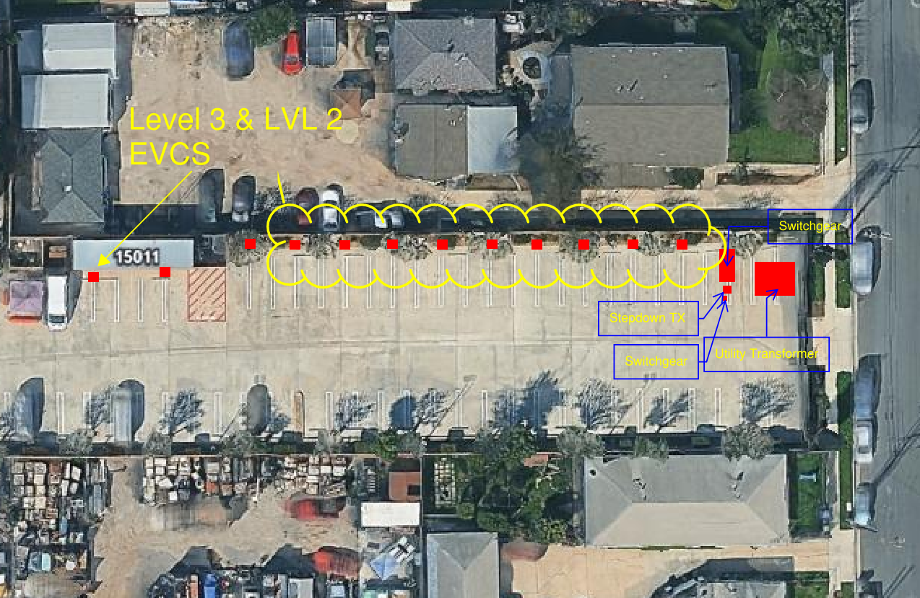

 |  |  |  |  |  |  |  |  |  |  |  |  |  | Address: 2150 Marine Ave, Gardena, CA 90249
 |  |  |  |  |  |  |  |  |  |  |  |  |  | RSM:
 |  |  |  |  |  |  |  |  |  |  |  |  |  | Client Info:
 |  |  |  |  |  |  |  |  |  |  |  |  |  | CPM: David V.
 |  |  |  |  |  |  |  |  |  |  |  |  |  | Utility:
 |  |  |  |  |  |  |  |  |  |  |  |  |  | Scope of Work : Pictures Attatched on INPUT SHEET | 6 240s 6 l2s

